Sheet1
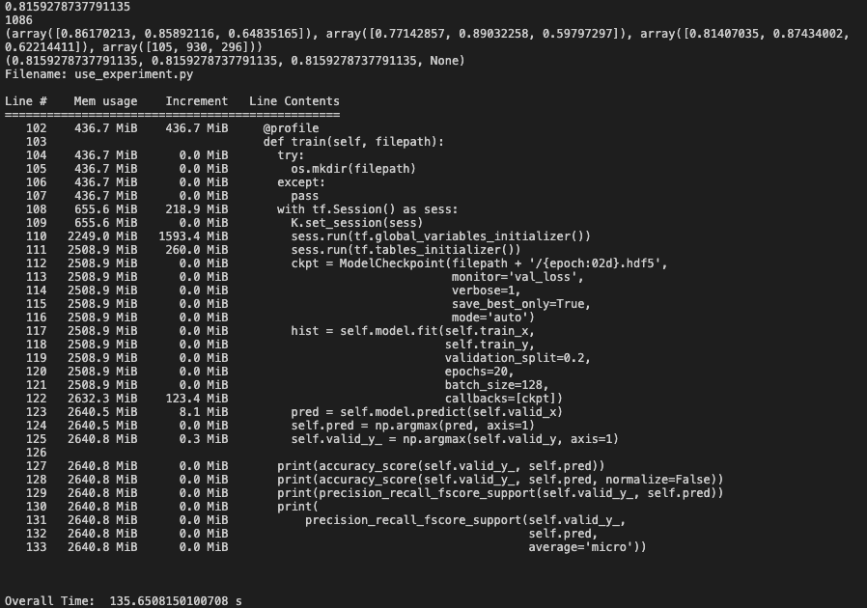

 |  |  | use | BN |  |  |  |  |  |  | use
 |  |  |  |  |  |  |  |  | # {'new': 2, 'unknown': 1, 'update': 0} |  |  |  | |--------------|--------------|
data | large + small | 3 categories | new: | 1295 | 327 | (Pdb) Counter(jp.train_labels) |  |  | (Pdb) Counter(l_labels_normal) | data | large + small | 3 categories | | intent | numbers |
 |  |  | unkknow: | 426 | 109 | Counter({'UPDATE': 180, 'NEW': 96, 'UNKNOWN': 21}) |  |  | Counter({1: 3720, 2: 1199, 0: 405}) | acc |  |  | |--------------|--------------|
 |  |  | update: | 3900 | 980 | (Pdb) Counter(jp.valid_labels) |  |  | (Pdb) Counter(l_labels_valid_normal) | time |  |  | | 'UPDATE' | 4650 |
 |  |  |  |  |  | Counter({'UPDATE': 50, 'NEW': 31, 'UNKNOWN': 4}) |  |  | Counter({1: 930, 2: 296, 0: 105}) | memory |  |  | |--------------|--------------|
acc | 82.55% |  |  |  |  |  |  |  |  |  |  |  | | 'NEW' | 1495 |
time | 150.8(s) |  |  |  |  | new: | 1295 | 327 |  |  |  |  | |--------------|--------------|
memory |  |  |  |  |  | unkknow: | 426 | 109 |  |  |  |  | | 'UNKNOWN' | 510 |
 |  |  |  |  |  | update: | 3900 | 980 |  |  |  |  | |--------------|--------------|
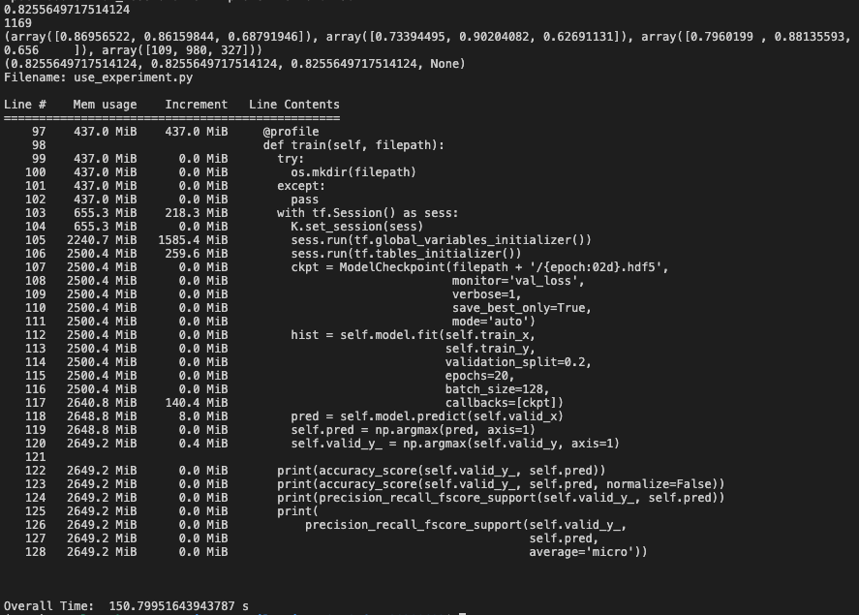


large dataset

